UNIVERSITY
CODE | ARTICLE | QUANTITY
B023bis-0405-UNICA | BACKPACK UNIVERSITY NAVY/SKY Sz. UNIQUE | 6
B023bis-0604-UNICA | BACKPACK UNIVERSITY FUCHSIA/NAVY Sz. UNIQUE | 93
B023bis-0610-UNICA | BACKPACK UNIVERSITY FUCHSIA/BLACK Sz. UNIQUE | 120
B023bis-0619-UNICA | BACKPACK UNIVERSITY FUCHSIA/YELLOW FLUO Sz. UNIQUE | 271
B023bis-0624-UNICA | BACKPACK UNIVERSITY FUCHSIA/TURQUOISE Sz. UNIQUE | 352
B023bis-1003-UNICA | BACKPACK UNIVERSITY BLACK/WHITE Sz. UNIQUE | 5
B023bis-1006-UNICA | BACKPACK UNIVERSITY BLACK/FUCHSIA Sz. UNIQUE | 137
B023bis-1023-UNICA | BACKPACK UNIVERSITY BLACK/DARK GREY Sz. UNIQUE | 4
B023bis-1204-UNICA | BACKPACK UNIVERSITY RED/NAVY Sz. UNIQUE | 144
B023bis-1417-UNICA | BACKPACK UNIVERSITY PURPLE/LILAC Sz. UNIQUE | 185
B023bis-1714-UNICA | BACKPACK UNIVERSITY LILAC/PURPLE Sz. UNIQUE | 110
B023bis-1910-UNICA | BACKPACK UNIVERSITY YELLOW FLUO/BLACK Sz. UNIQUE | 561
B023bis-2419-UNICA | BACKPACK UNIVERSITY TURQUOISE/YELLOW FLUO Sz. UNIQUE | 330
B023bis-2423-UNICA | BACKPACK UNIVERSITY TURQUOISE/DARK GREY Sz. UNIQUE | 5
B023bis-3404-UNICA | BACKPACK UNIVERSITY GREEN FLUO/NAVY Sz. UNIQUE | 39
B023bis-3410-UNICA | BACKPACK UNIVERSITY GREEN FLUO/BLACK Sz. UNIQUE | 564
 |  | 2926

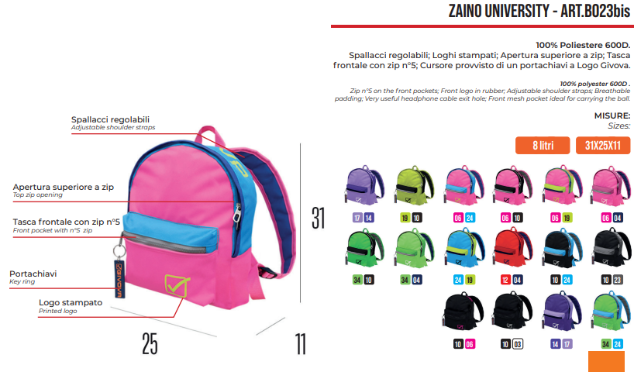

UNIVERSITY JEANS
CODE | ARTICLE | QUANTITY
B024-4219-UNICA | BACKPACK UNIVERSITY JEANS JEANS DARK/YELLOW FLUO Sz. UNIQUE | 206
B024-4239-UNICA | ZAINO UNIVERSITY JEANS JEANS SCURO/ FUXIA FLUO Tg. UNICA | 52
 |  | 258
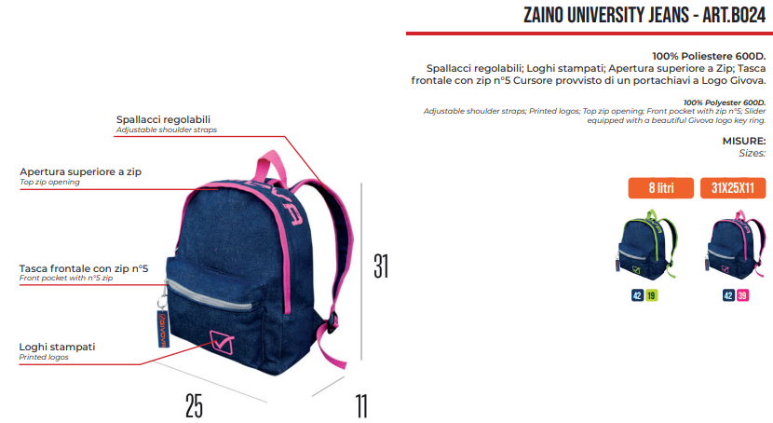

ARIUS
CODE | ARTICLE | QUANTITY
B040-0002-UNICA | BACKPACK ARIUS ROYAL Sz. UNIQUE | 260
B040-0030-UNICA | BACKPACK ARIUS SILVER Sz. UNIQUE | 208
B040-1006-UNICA | BACKPACK ARIUS BLACK/FUCHSIA Sz. UNIQUE | 158
B040-1010-UNICA | BACKPACK ARIUS BLACK/BLACK Sz. UNIQUE | 304
 |  | 930
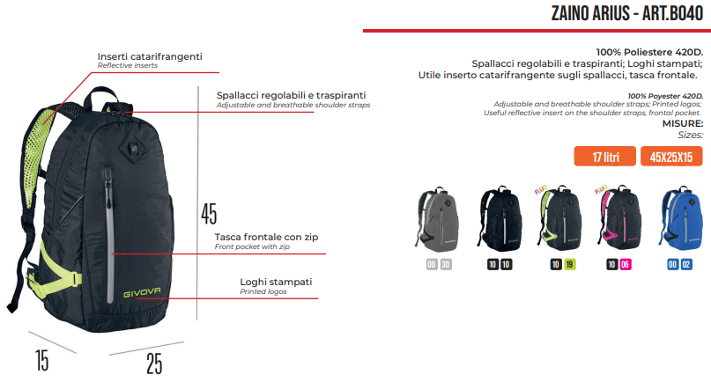

MASTER
CODE | ARTICLE | QUANTITY
B025-0224-UNICA | BACKPACK MASTER ROYAL/TURQUOISE Sz. UNIQUE | 3
B025-0405-UNICA | BACKPACK MASTER NAVY/SKY Sz. UNIQUE | 7
B025-0412-UNICA | BACKPACK MASTER NAVY/RED Sz. UNIQUE | 80
B025-0619-UNICA | BACKPACK MASTER FUCHSIA/YELLOW FLUO Sz. UNIQUE | 1
B025-1003-UNICA | BACKPACK MASTER BLACK/WHITE Sz. UNIQUE | 10
B025-1006-UNICA | BACKPACK MASTER BLACK/FUCHSIA Sz. UNIQUE | 15
B025-1023-UNICA | BACKPACK MASTER BLACK/DARK GREY Sz. UNIQUE | 10
B025-1910-UNICA | BACKPACK MASTER YELLOW FLUO/BLACK Sz. UNIQUE | 1
B025-2419-UNICA | BACKPACK MASTER TURQUOISE/YELLOW FLUO Sz. UNIQUE | 1
B025-2423-UNICA | BACKPACK MASTER TURQUOISE/DARK GREY Sz. UNIQUE | 58
 |  | 186
